Average
5x [um/Pxl] | 1.21

NIH/3T3 - CTRL Condition
NIH/3T3 - CTRL Condition
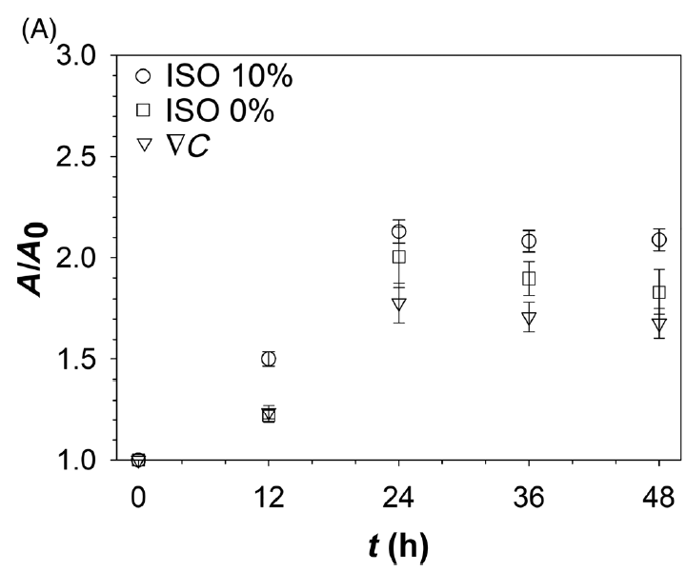
Shell area |  |  |  |  | Core area
t [h] | Area, Pxl^2 | Area, μ^2 | A/A0 | SEM | t [h] | Area, Pxl^2 | Area, μ^2 | A/A0 | SEM
0 | 21688.75 | 31796.43 | 1.00 | 1496.24 | 0 | 7551.79 | 11071.18 | 1.00 | 777.72
12 | 33713.00 | 49424.38 | 1.55 | 2419.39 | 12 | 11091.21 | 16260.08 | 1.47 | 1078.78
24 | 52215.46 | 76549.60 | 2.41 | 3898.56 | 24 | 15342.38 | 22492.43 | 2.03 | 1333.49
36 | 51604.96 | 75654.58 | 2.38 | 3875.29 | 36 | 15432.50 | 22624.56 | 2.04 | 1570.46
48 | 51733.67 | 75843.27 | 2.39 | 3771.16 | 48 | 16277.75 | 23863.72 | 2.16 | 1502.06

Shell area |  |  |  |  | Core area
t [h] | Area, Pxl^2 | Area, μ^2 | A/A0 | SEM | t [h] | Area, Pxl^2 | Area, μ^2 | A/A0 | SEM
0 | 18394.64 | 26967.16 | 1.00 | 4862.84 | 0 | 7749.50 | 11361.02 | 1.00 | 2614.41
12 | 28894.86 | 42360.82 | 1.57 | 9248.33 | 12 | 9734.00 | 14270.37 | 1.26 | 3575.96
24 | 37498.00 | 54973.31 | 2.04 | 12006.67 | 24 | 13394.77 | 19637.18 | 1.73 | 4571.23
36 | 40104.79 | 58794.95 | 2.18 | 11326.63 | 36 | 14012.21 | 20542.37 | 1.81 | 4047.45
48 | 41001.29 | 60109.25 | 2.23 | 11561.30 | 48 | 13546.79 | 19860.04 | 1.75 | 3603.93
NIH/3T3 - Gradient
NIH/3T3 - Gradient

